Bug Report 1
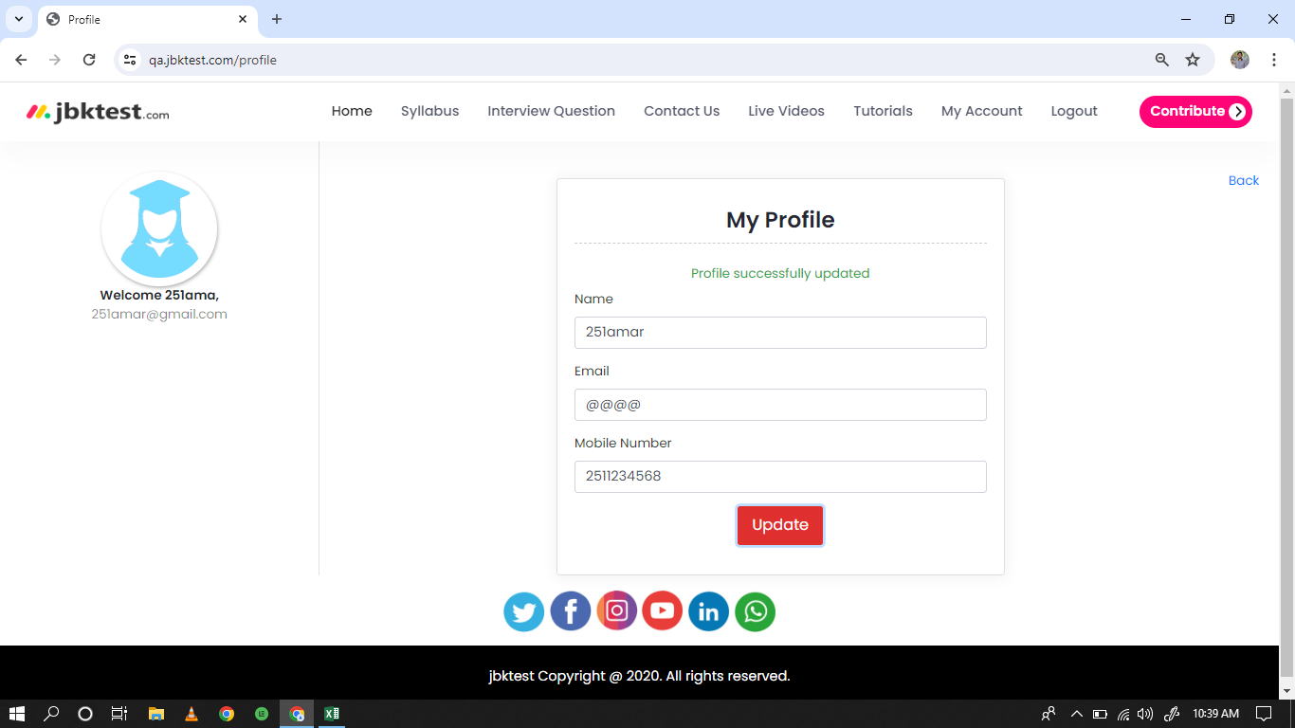
 | Bug Reporting Form.

1 | Bug ID:- JBK_01
2 | Tital of Bug :- Profile update not working properly.
3 | Bug Description :- When we open qa.jbktest.com and try to update profile information so system will take any alphanumberic characters in email id textbox so by requirements system should not take any invalid input in email id textbox.
4 | Steps to Reproduce :- 1.Open qa.jbktest.com 2.Click on "Testing" Tab. 3.Click on "Manual Testing" Quiz tab. 4.Click on "Next" button. 5.Enter your mobile number in Text box 6.Click on "Login" button. 7.Click on "My account" button 8.Click on "Profile" button 9.Click on "Email" textbox 10.Enter any email id(@@@@) 11.Click on "Update" button
5 | Test case Id :- Project_027
6 | Severity :- Medium
7 | Priority of bug :- Medium
8 | Status of bug :- New
9 | Reproducibility :- Always
10 | Screenshot :-

Bug Report 2
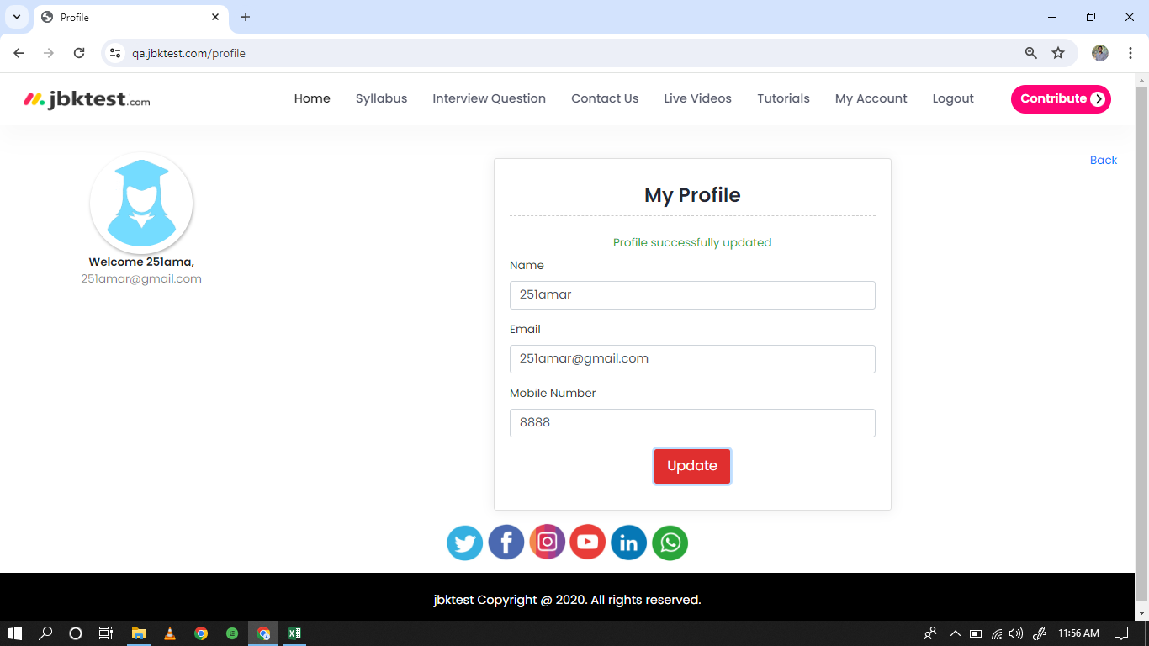
 | Bug Reporting Form.

1 | Bug ID:- JBK_02
2 | Tital of Bug :- Profile update not working properly.
3 | Bug Description :- When we open qa.jbktest.com and try to update profile information so system will take any invalid mobile number in mobile number textbox so as per requirements system should not take any invalid input in mobile number textbox.
4 | Steps to Reproduce :- 1.Open qa.jbktest.com 2.Click on "Testing" Tab. 3.Click on "Manual Testing" Quiz tab. 4.Click on "Next" button. 5.Enter your mobile number in Text box 6.Click on "Login" button. 7.Click on "My account" button 8.Click on "Profile" button 9.Click on "mobile number" textbox 10.Enter invalid mobile number(8888) 11.Click on "Update" button
5 | Test case Id :- Project_028
6 | Severity :- Medium
7 | Priority of bug :- High
8 | Status of bug :- New
9 | Reproducibility :- Always
10 | Screenshot :-

Bug Report 3
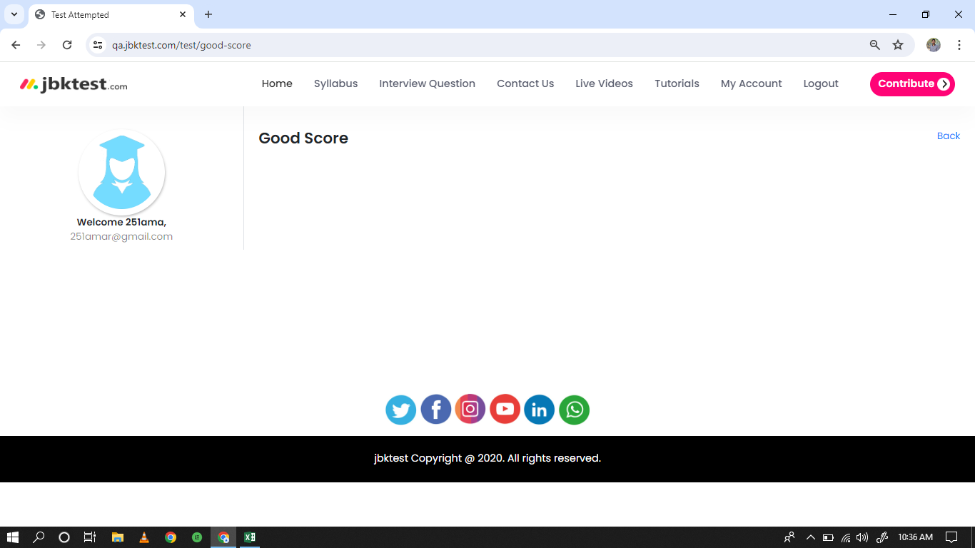
 | Bug Reporting Form.

1 | Bug ID:- JBK_03
2 | Tital of Bug :- In Dashboard functionality "Your Good Score" not working.
3 | Bug Description :- When we open qa.jbktest.com and go to "Dashboard" functionality and click on "Your Good Score" so its totally blank not showing any results.
4 | Steps to Reproduce :- 1.Open qa.jbktest.com 2.Click on "Testing" Tab. 3.Click on "Manual Testing" Quiz tab. 4.Click on "Next" button. 5.Enter your mobile number in Text box 6.Click on "Login" button. 7.Click on "My account" button 8.Click on "Your good score" button
5 | Test case Id :- Project_021
6 | Severity :- MEDIUM
7 | Priority of bug :- MEDIUM
8 | Status of bug :- New
9 | Reproducibility :- Always
10 | Screenshot :-

